LM
 |  |  | 11694 |  | 2,121,280.65 € |  | 848,512.26 €
 | ART | DESCR | PCS | RRP | RRP TOT | WH | WH TOT
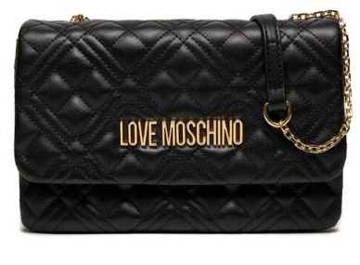 SP | JC4097PP0ILA0000 | QUILTED NERO | 470 | 150.00 € | 70,500.00 € | 60.00 € | 28,200.00 €
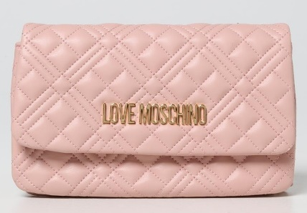 SP | JC4097PP1ILA0601 | QUILTED ROSA | 250 | 150.00 € | 37,500.00 € | 60.00 € | 15,000.00 €
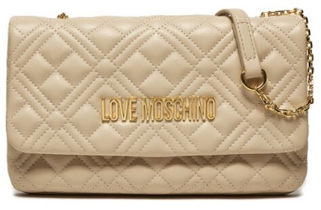 SP | JC4097PP0ILA0110 | QUILTED AVORIO | 211 | 150.00 € | 31,650.00 € | 60.00 € | 12,660.00 €
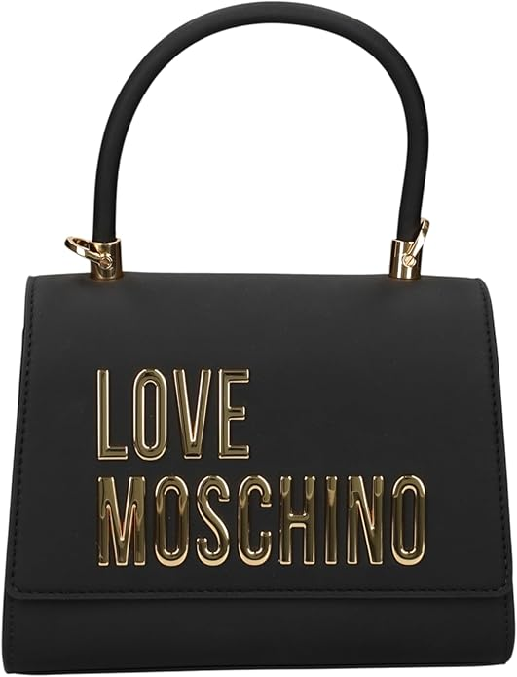 | JC4024PP1NKD703 | BOLD LOVE AVIO | 14 | 185.00 € | 2,590.00 € | 74.00 € | 1,036.00 €
 | JC4093PP1NLI0000 | BORSA GRAIN PU NERO | 15 | 165.00 € | 2,475.00 € | 66.00 € | 990.00 €
 | JC4039PP1NLC552 | EMBOSSED VINO | 3 | 160.00 € | 480.00 € | 64.00 € | 192.00 €
 | JC4041PP1NLC000 | EMBOSSED Q NERO | 27 | 170.00 € | 4,590.00 € | 68.00 € | 1,836.00 €
 | JC4041PP1NLC500 | EMBOSSED Q ROSSO | 68 | 170.00 € | 11,560.00 € | 68.00 € | 4,624.00 €
 | JC4081PP1NLC000 | EMBOSSED NERO | 127 | 165.00 € | 20,955.00 € | 66.00 € | 8,382.00 €
 | JC4083PP1NLC500 | EMBOSSED ROSSO | 36 | 175.00 € | 6,300.00 € | 70.00 € | 2,520.00 €
 | JC4121PP1MLI0601 | BORSA PU QUILTED GRS CIPRIA +STUDS | 19 | 189.95 € | 3,609.05 € | 75.98 € | 1,443.62 €
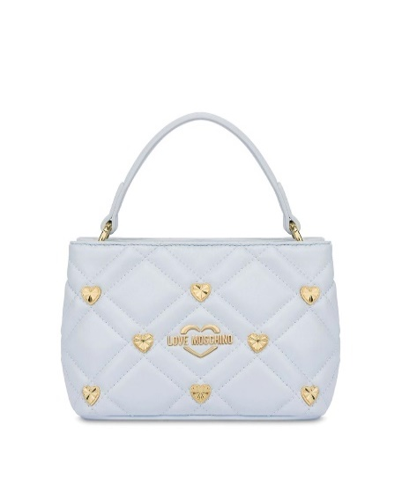 | JC4122PP1MLI0712 | BORSA PU QUILTED GRS CIELO +STUDS | 5 | 165.00 € | 825.00 € | 66.00 € | 330.00 €
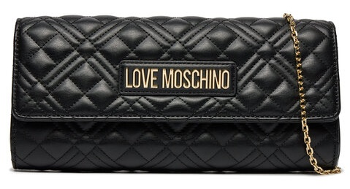 SP | JC4294PP0ILA0000 | QUILTED NERO | 276 | 145.00 € | 40,020.00 € | 58.00 € | 16,008.00 €
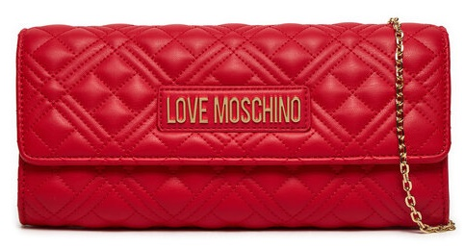 SP | JC4294PP0ILA0500 | QUILTED ROSSO | 196 | 145.00 € | 28,420.00 € | 58.00 € | 11,368.00 €
SP | JC4294PP1ILA0601 | QUILTED CIPRIA | 212 | 145.00 € | 30,740.00 € | 58.00 € | 12,296.00 €
 | JC4125PP1MLJ0110 | BORSA PU AVORIO | 1 | 185.00 € | 185.00 € | 74.00 € | 74.00 €
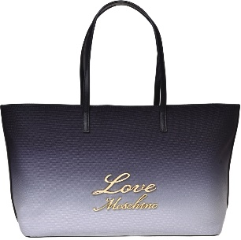 | JC4130PP1MLK100A | BORSA CANVAS ST. NERO/AVORIO+PU | 21 | 175.00 € | 3,675.00 € | 70.00 € | 1,470.00 €
 | JC4130PP1MLK171A | BORSA CANVAS ST.CIELO SC/CIELO+ PU | 22 | 175.00 € | 3,850.00 € | 70.00 € | 1,540.00 €
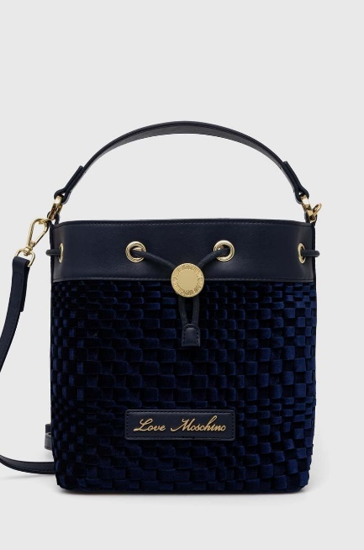 | JC4132PP1MLK100A | BORSA CANVAS ST. NERO/AVORIO+PU | 16 | 185.00 € | 2,960.00 € | 74.00 € | 1,184.00 €
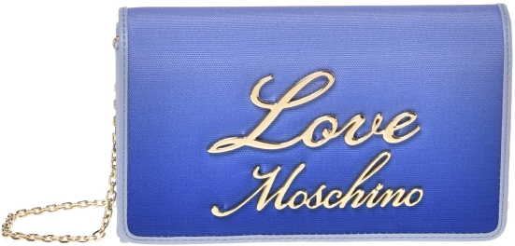 | JC4134PP1MLK100A | BORSA CANVAS ST. NERO/AVORIO+PU | 19 | 195.00 € | 3,705.00 € | 78.00 € | 1,482.00 €
 | JC4134PP1MLK171A | BORSA CANVAS ST.CIELO SC/CIELO+ PU | 3 | 195.00 € | 585.00 € | 78.00 € | 234.00 €
 | JC4139PP1MLA0110 | BORSA QUILTED PU AVORIO | 7 | 210.00 € | 1,470.00 € | 84.00 € | 588.00 €
 | JC4140PP1MLO000A | BORSA PU NERO+G.METAL | 40 | 220.00 € | 8,800.00 € | 88.00 € | 3,520.00 €
 | JC4140PP1MLO0968 | BORSA PU METALLIC GOLD | 30 | 220.00 € | 6,600.00 € | 88.00 € | 2,640.00 €
 | JC4140PP1MLO0969 | BORSA PU METALLIC SILVER | 39 | 220.00 € | 8,580.00 € | 88.00 € | 3,432.00 €
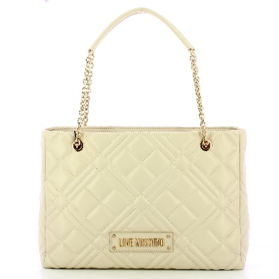 | JC4145PP0MLA0000 | BORSA QUILTED PU NERO GALV.ORO | 25 | 239.00 € | 5,975.00 € | 95.60 € | 2,390.00 €
 | JC4145PP0MLA000B | BORSA QUILTED PU NERO GALV.NIKEL | 15 | 210.00 € | 3,150.00 € | 84.00 € | 1,260.00 €
 | JC4145PP1MLA0110 | BORSA QUILTED PU AVORIO | 1 | 210.00 € | 210.00 € | 84.00 € | 84.00 €
 | JC4150PP1MLA000B | BORSA QUILTED PU NERO GALV.NIKEL | 12 | 195.00 € | 2,340.00 € | 78.00 € | 936.00 €
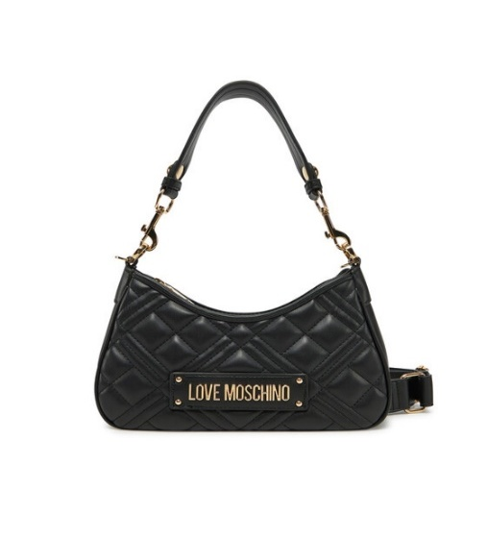 | JC4152PP1MLA0000 | BORSA QUILTED PU NERO GALV.ORO | 30 | 208.00 € | 6,240.00 € | 83.20 € | 2,496.00 €
 | JC4152PP1MLA000B | BORSA QUILTED PU NERO GALV.NIKEL | 29 | 197.50 € | 5,727.50 € | 79.00 € | 2,291.00 €
 | JC4152PP1MLA0110 | BORSA QUILTED PU AVORIO | 20 | 197.50 € | 3,950.00 € | 79.00 € | 1,580.00 €
 | JC4152PP1MLA196B | BORSA QUILTED METALLIC PU ARGENTO | 3 | 197.50 € | 592.50 € | 79.00 € | 237.00 €
 | JC4152PP1MLA197A | BORSA QUILTED METALLIC PU CIPRIA | 9 | 197.50 € | 1,777.50 € | 79.00 € | 711.00 €
 | JC4153PP0MLA0100 | BORSA QUILTED PU BIANCO | 7 | 185.00 € | 1,295.00 € | 74.00 € | 518.00 €
 | JC4153PP0MLA0615 | BORSA QUILTED PU BLOSSOM | 5 | 185.00 € | 925.00 € | 74.00 € | 370.00 €
 | JC4153PP1MLA0000 | BORSA QUILTED PU NERO GALV.ORO | 20 | 185.00 € | 3,700.00 € | 74.00 € | 1,480.00 €
 | JC4153PP1MLA000B | BORSA QUILTED PU NERO GALV.NIKEL | 30 | 185.00 € | 5,550.00 € | 74.00 € | 2,220.00 €
 | JC4153PP1MLA0110 | BORSA QUILTED PU AVORIO | 56 | 185.00 € | 10,360.00 € | 74.00 € | 4,144.00 €
 | JC4155PP1MLC100A | BORSA PU+CROCO PU NERO | 1 | 195.00 € | 195.00 € | 78.00 € | 78.00 €
 | JC4155PP1MLC150A | BORSA PU+CROCO PU ROSSO | 2 | 175.00 € | 350.00 € | 70.00 € | 140.00 €
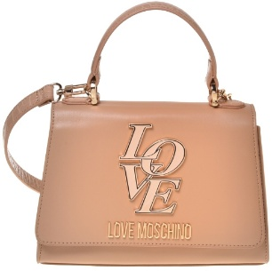 | JC4156PP1MLC110A | BORSA PU+CROCO PU SABBIA | 15 | 190.00 € | 2,850.00 € | 76.00 € | 1,140.00 €
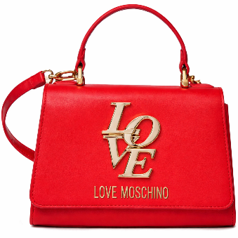 | JC4156PP1MLC150A | BORSA PU+CROCO PU ROSSO | 8 | 185.00 € | 1,480.00 € | 74.00 € | 592.00 €
 | JC4164PP1MLM0500 | BORSA PU ROSSO | 5 | 195.00 € | 975.00 € | 78.00 € | 390.00 €
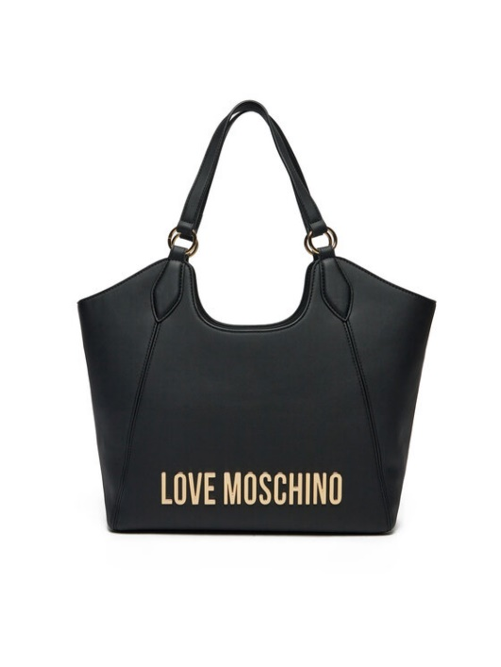 | JC4165PP1MKD0000 | BORSA PU GRS NERO GALV.ORO | 4 | 220.00 € | 880.00 € | 88.00 € | 352.00 €
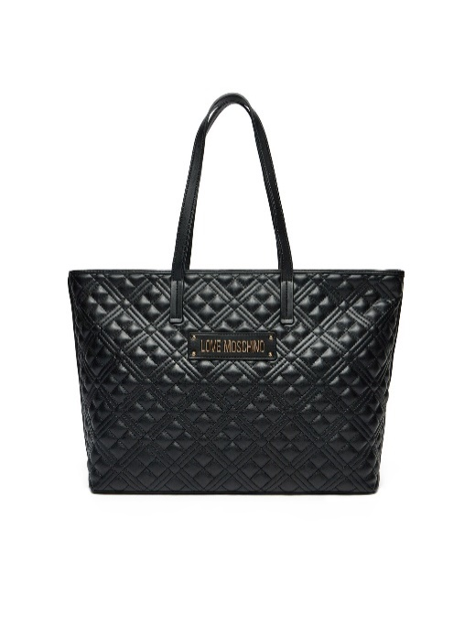 | JC4166PP1MLA0000 | BORSA QUILTED PU NERO GALV.ORO | 4 | 199.95 € | 799.80 € | 79.98 € | 319.92 €
 | JC4166PP1MLA0110 | BORSA QUILTED PU AVORIO | 20 | 175.00 € | 3,500.00 € | 70.00 € | 1,400.00 €
 | JC4188PP0NLC0000 | EMBOSSED NERO | 69 | 190.00 € | 13,110.00 € | 76.00 € | 5,244.00 €
 | JC4188PP0NLC0313 | EMBOSSED CHOCOLATE | 28 | 190.00 € | 5,320.00 € | 76.00 € | 2,128.00 €
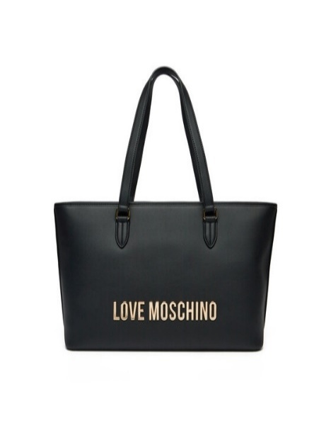 | JC4190PP1MKD0000 | BORSA PU GRS NERO GALV.ORO | 26 | 185.00 € | 4,810.00 € | 74.00 € | 1,924.00 €
 | JC4190PP1MKD000B | BORSA PU GRS NERO GALV.NIKEL | 19 | 185.00 € | 3,515.00 € | 74.00 € | 1,406.00 €
 | JC4190PP1MKD0110 | BORSA PU GRS AVORIO | 28 | 185.00 € | 5,180.00 € | 74.00 € | 2,072.00 €
 | JC4192PP1MKD0000 | BORSA PU GRS NERO GALV.ORO | 20 | 160.00 € | 3,200.00 € | 64.00 € | 1,280.00 €
 | JC4192PP1MKD0110 | BORSA PU GRS AVORIO | 36 | 197.50 € | 7,110.00 € | 79.00 € | 2,844.00 €
 | JC4192PP1MKD0464 | BORSA PU GRS CORALLO | 20 | 197.50 € | 3,950.00 € | 79.00 € | 1,580.00 €
 | JC4058PP1NLO0000 | BORSA PU LISCIO NERO | 25 | 165.00 € | 4,125.00 € | 66.00 € | 1,650.00 €
 | JC4103PP1NKD0552 | BORSA PU GRS VINO | 23 | 195.00 € | 4,485.00 € | 78.00 € | 1,794.00 €
 | JC4103PP1NKD0703 | BORSA PU GRS AVIO | 91 | 195.00 € | 17,745.00 € | 78.00 € | 7,098.00 €
 | JC4103PP1NKD301 | BORSA PU GRS MORO | 13 | 195.00 € | 2,535.00 € | 78.00 € | 1,014.00 €
 | JC4103PP1NKD0110 | BORSA PU GRS AVORIO | 66 | 195.00 € | 12,870.00 € | 78.00 € | 5,148.00 €
 | JC4103PP1NKD0450 | BORSA PU GRS ARANCIO | 51 | 195.00 € | 9,945.00 € | 78.00 € | 3,978.00 €
 | JC4103PP1NKD000B | BORSA PU GRS NERO GALV.NIKEL | 59 | 195.00 € | 11,505.00 € | 78.00 € | 4,602.00 €
 | JC4192PP1NKD0552 | BORSA PU GRS VINO | 8 | 197.50 € | 1,580.00 € | 79.00 € | 632.00 €
 | JC4051PP1NLF0312 | BORSA PU CASTAGNA | 8 | 155.00 € | 1,240.00 € | 62.00 € | 496.00 €
 | JC4051PP1NLF0000 | BORSA PU NERO | 15 | 155.00 € | 2,325.00 € | 62.00 € | 930.00 €
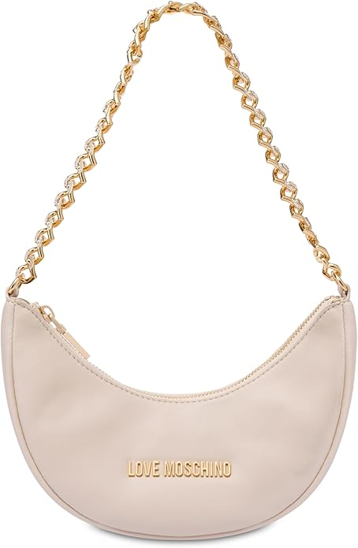 | JC4094PP1NLU0110 | BORSA PU LISCIO AVORIO | 5 | 165.00 € | 825.00 € | 66.00 € | 330.00 €
 | JC4107PP1NLT1000 | BORSA PU NERO | 20 | 180.00 € | 3,600.00 € | 72.00 € | 1,440.00 €
 | JC4183PP1NLP0000 | BORSA PU NERO | 10 | 145.00 € | 1,450.00 € | 58.00 € | 580.00 €
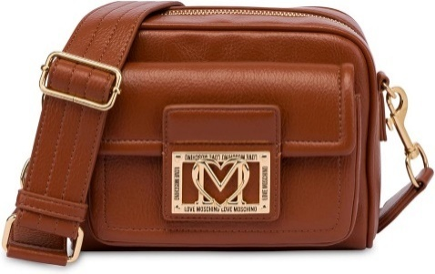 | JC4092PP1NLI0000 | BORSA GRAIN PU NERO | 8 | 155.00 € | 1,240.00 € | 62.00 € | 496.00 €
 | JC4092PP1NLI0312 | BORSA GRAIN PU CASTAGNA | 8 | 155.00 € | 1,240.00 € | 62.00 € | 496.00 €
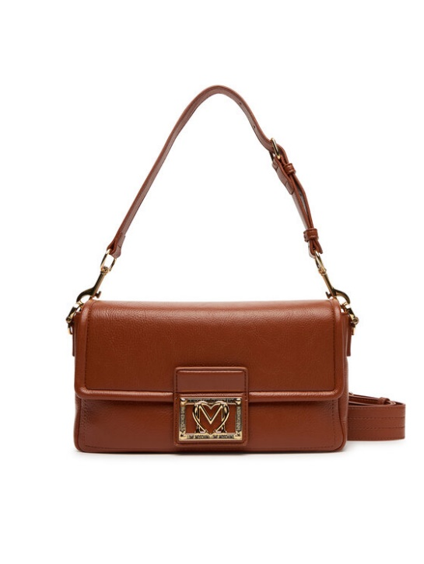 | JC4086PP1NLI0312 | BORSA GRAIN PU CASTAGNA | 8 | 160.00 € | 1,280.00 € | 64.00 € | 512.00 €
 | JC4093PP1NLI0552 | BORSA GRAIN PU VINO | 18 | 165.00 € | 2,970.00 € | 66.00 € | 1,188.00 €
 | JC4093PP1NLI0312 | BORSA GRAIN PU CASTAGNA | 10 | 165.00 € | 1,650.00 € | 66.00 € | 660.00 €
 | JC4079PP1NLA000B | BORSA QUILTED PU NERO+GALV.NIKEL | 30 | 153.00 € | 4,590.00 € | 61.20 € | 1,836.00 €
 | JC4079PP1NLA0000 | BORSA QUILTED PU NERO+GALV.ORO | 53 | 138.00 € | 7,314.00 € | 55.20 € | 2,925.60 €
 | JC4079PP1NLA0110 | BORSA QUILTED PU AVORIO | 17 | 153.00 € | 2,601.00 € | 61.20 € | 1,040.40 €
 | JC4079PP1NLA0601 | BORSA QUILTED PU CIPRIA | 87 | 138.00 € | 12,006.00 € | 55.20 € | 4,802.40 €
 | JC4079PP0NLA0104 | BORSA QUILTED PU BEIGE | 30 | 138.00 € | 4,140.00 € | 55.20 € | 1,656.00 €
 | JC4079PP0NLA0000 | BORSA QUILTED PU NERO | 21 | 138.00 € | 2,898.00 € | 55.20 € | 1,159.20 €
 | JC4079PP0NLA0500 | BORSA QUILTED PU ROSSO | 30 | 138.00 € | 4,140.00 € | 55.20 € | 1,656.00 €
 | JC4079PP1MLA0464 | BORSA QUILTED PU CORALLO | 20 | 138.00 € | 2,760.00 € | 55.20 € | 1,104.00 €
 | JC4079PP1MLA196A | BORSA QUILTED PU METALLIC GOLD | 20 | 138.00 € | 2,760.00 € | 55.20 € | 1,104.00 €
 | JC4121PP0NKD000A | BORSA PU GRS NERO+HAMMERED LOGO | 150 | 155.00 € | 23,250.00 € | 62.00 € | 9,300.00 €
 | JC4121PP0NKD085A | BORSA PU GRS VERDE+HAMMERED LOGO | 93 | 155.00 € | 14,415.00 € | 62.00 € | 5,766.00 €
 | JC4121PP0NKD031A | BORSA PU GRS CIOCCOLATO+HAMMERED LO | 63 | 155.00 € | 9,765.00 € | 62.00 € | 3,906.00 €
 | JC4043PP0NLC0850 | BORSA PU EMBOSSED VERDE | 20 | 164.95 € | 3,299.00 € | 65.98 € | 1,319.60 €
 | JC4043PP0NLC0000 | BORSA PU EMBOSSED NERO | 18 | 175.00 € | 3,150.00 € | 70.00 € | 1,260.00 €
 | JC4043PP0NLC0110 | BORSA PU EMBOSSED AVORIO | 40 | 175.00 € | 7,000.00 € | 70.00 € | 2,800.00 €
 | JC4043PP1MLC0110 | BORSA PU EMBOSSED AVORIO | 1 | 175.00 € | 175.00 € | 70.00 € | 70.00 €
 | JC4043PP1MLC0601 | BORSA PU EMBOSSED CIPRIA | 8 | 175.00 € | 1,400.00 € | 70.00 € | 560.00 €
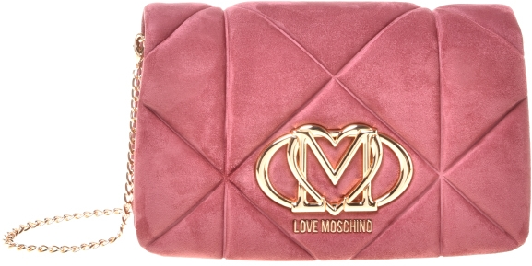 | JC4043PP0NKE0611 | BORSA EMBOSSED VELOUR PL ROSA ANTIC | 3 | 175.00 € | 525.00 € | 70.00 € | 210.00 €
 | JC4043PP1NLC552 | BORSA PU EMBOSSED VINO | 19 | 175.00 € | 3,325.00 € | 70.00 € | 1,330.00 €
 | JC4043PP1NLC0450 | BORSA PU EMBOSSED ARANCIO | 38 | 175.00 € | 6,650.00 € | 70.00 € | 2,660.00 €
 | JC4043PP1NLC0500 | BORSA PU EMBOSSED ROSSO | 67 | 175.00 € | 11,725.00 € | 70.00 € | 4,690.00 €
 | JC4043PP0NLC0313 | BORSA PU EMBOSSED CIOCCOLATO | 30 | 175.00 € | 5,250.00 € | 70.00 € | 2,100.00 €
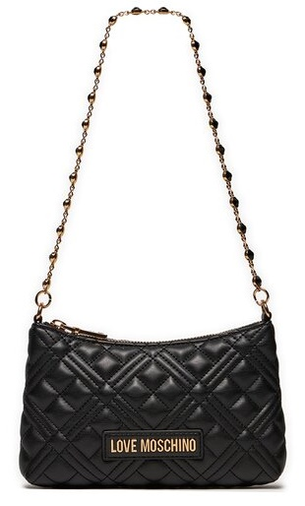 SP | JC4342PP0ILA0000 | QUILTED NERO | 261 | 145.00 € | 37,845.00 € | 58.00 € | 15,138.00 €
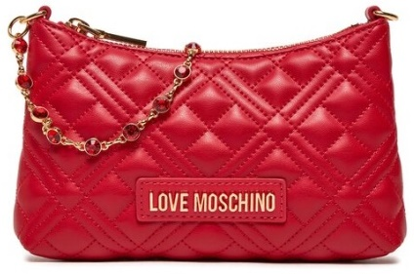 SP | JC4342PP0ILA0500 | QUILTED ROSSO | 216 | 240.00 € | 51,840.00 € | 96.00 € | 20,736.00 €
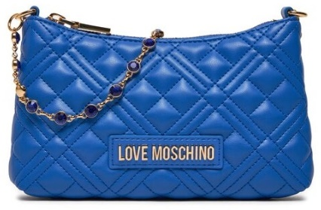 SP | JC4342PP0ILA0715 | QUILTED BLU | 235 | 240.00 € | 56,400.00 € | 96.00 € | 22,560.00 €
 | JC4379PP0NKS100A | BORSA SOFT PL+PU NERO | 15 | 195.00 € | 2,925.00 € | 78.00 € | 1,170.00 €
 | JC4379PP0NKS120A | BORSA SOFT PL+PU CUOIO | 10 | 195.00 € | 1,950.00 € | 78.00 € | 780.00 €
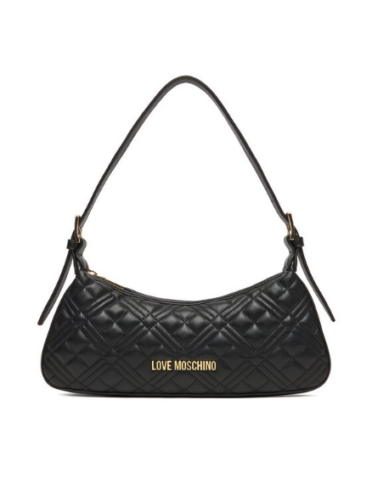 | JC4142PP0NLA0104 | BORSA QUILTED PU BEIGE | 115 | 155.00 € | 17,825.00 € | 62.00 € | 7,130.00 €
 | JC4142PP0NLA0500 | BORSA QUILTED PU ROSSO | 99 | 155.00 € | 15,345.00 € | 62.00 € | 6,138.00 €
 | JC4142PP0NLA0000 | BORSA QUILTED PU NERO+GAL.ORO | 216 | 155.00 € | 33,480.00 € | 62.00 € | 13,392.00 €
 | JC4142PP0NLA000B | BORSA QUILTED PU NERO+GAL.NIKEL | 96 | 155.00 € | 14,880.00 € | 62.00 € | 5,952.00 €
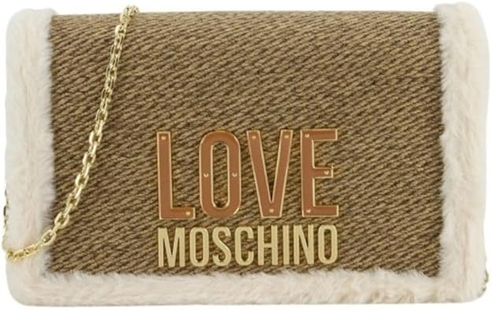 | JC4388PP0NKH120A | BORSA PL CUOIO+PU CUOIO+SOFT PL NAT | 15 | 130.00 € | 1,950.00 € | 52.00 € | 780.00 €
 | JC4327PP0NKX0650 | BORSA VELOUR PL VIOLA | 34 | 159.95 € | 5,438.30 € | 63.98 € | 2,175.32 €
 | JC4327PP0NKX0105 | BORSA VELOUR PL SABBIA | 40 | 160.00 € | 6,400.00 € | 64.00 € | 2,560.00 €
 | JC4327PP0NKU0000 | BORSA PU NERO | 57 | 160.00 € | 9,120.00 € | 64.00 € | 3,648.00 €
 | JC4327PP0NKX0204 | BORSA VELOUR PL RUGGINE | 19 | 160.00 € | 3,040.00 € | 64.00 € | 1,216.00 €
 | JC4327PP0NKX0611 | BORSA VELOUR PL ROSA ANTICO | 19 | 160.00 € | 3,040.00 € | 64.00 € | 1,216.00 €
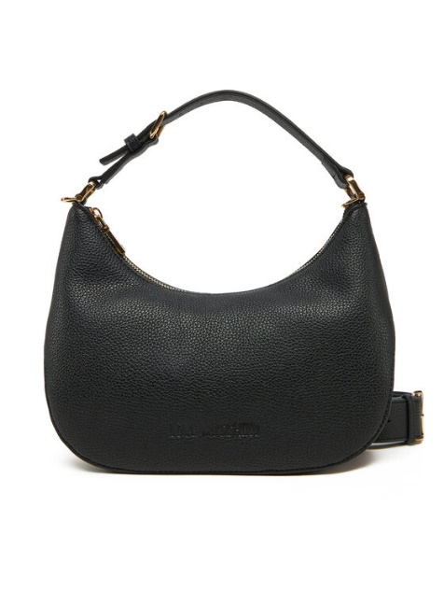 | JC4018PP1MLT0000 | BORSA PU GRS NERO+ ORO | 12 | 185.00 € | 2,220.00 € | 74.00 € | 888.00 €
 | JC4023PP1MKD000B | BORSA PU GRS NERO GALV.NIKEL | 15 | 199.95 € | 2,999.25 € | 79.98 € | 1,199.70 €
 | JC4023PP1MKD0110 | BORSA PU GRS AVORIO | 16 | 210.00 € | 3,360.00 € | 84.00 € | 1,344.00 €
 | JC4025PP1MKD0000 | BORSA PU GRS NERO GALV.ORO | 32 | 220.00 € | 7,040.00 € | 88.00 € | 2,816.00 €
 | JC4025PP1MKD000B | BORSA PU GRS NERO GALV.NIKEL | 30 | 220.00 € | 6,600.00 € | 88.00 € | 2,640.00 €
 | JC4025PP1MKD0110 | BORSA PU GRS AVORIO | 32 | 220.00 € | 7,040.00 € | 88.00 € | 2,816.00 €
 | JC4025PP1MKD0712 | BORSA PU GRS CIELO | 8 | 220.00 € | 1,760.00 € | 88.00 € | 704.00 €
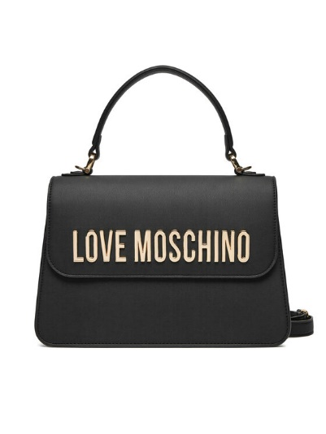 | JC4032PP1MKD0000 | BORSA PU GRS NERO GALV.ORO | 20 | 235.00 € | 4,700.00 € | 94.00 € | 1,880.00 €
 | JC4032PP1MKD000B | BORSA PU GRS NERO GALV.NIKEL | 15 | 235.00 € | 3,525.00 € | 94.00 € | 1,410.00 €
 | JC4046PP1MLE100A | BORSA PU CROCO NERO | 2 | 185.00 € | 370.00 € | 74.00 € | 148.00 €
 | JC4047PP1MLE100A | BORSA PU CROCO NERO | 34 | 195.00 € | 6,630.00 € | 78.00 € | 2,652.00 €
 | JC4047PP1MLE120A | BORSA PU CROCO CAMMELLO | 5 | 195.00 € | 975.00 € | 78.00 € | 390.00 €
 | JC4047PP1MLE150A | BORSA PU CROCO ROSSO | 22 | 195.00 € | 4,290.00 € | 78.00 € | 1,716.00 €
 | JC4051PP1MLF0110 | BORSA PU AVORIO | 24 | 155.00 € | 3,720.00 € | 62.00 € | 1,488.00 €
 | JC4051PP1MLF0201 | BORSA PU CAMMELLO | 2 | 180.00 € | 360.00 € | 72.00 € | 144.00 €
 | JC4051PP1MLF0464 | BORSA PU CORALLO | 61 | 155.00 € | 9,455.00 € | 62.00 € | 3,782.00 €
 | JC4055PP1MLH100A | BORSA SATIN NERO+ PRINT | 22 | 159.00 € | 3,498.00 € | 63.60 € | 1,399.20 €
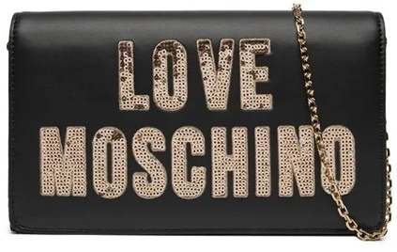 SP | JC4293PP0IKK100A | BORSA NERO | 798 | 210.00 € | 167,580.00 € | 84.00 € | 67,032.00 €
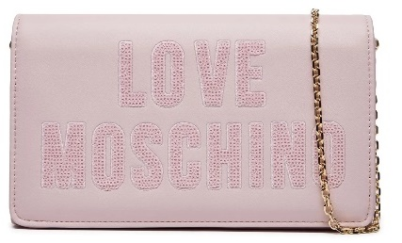 SP | JC4293PP0IKK160A | BORSA CIPRIA | 188 | 210.00 € | 39,480.00 € | 84.00 € | 15,792.00 €
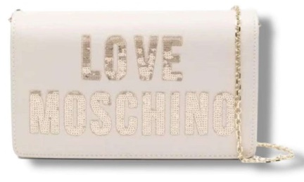 SP | JC4293PP0IKK111A | BORSA AVORIO | 326 | 210.00 € | 68,460.00 € | 84.00 € | 27,384.00 €
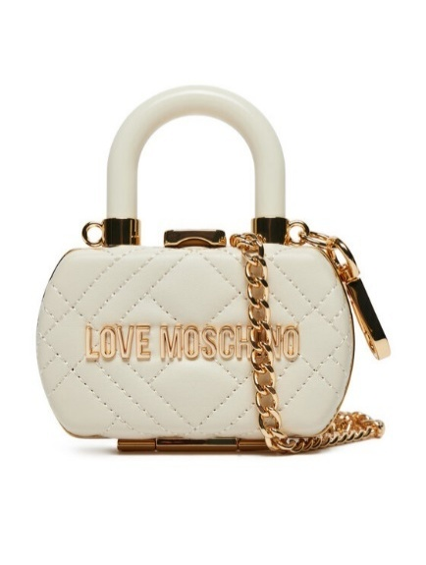 | JC4056PP1MLA0000 | BORSA PU QUILTED NERO | 6 | 153.00 € | 918.00 € | 61.20 € | 367.20 €
 | JC4056PP1MLA0110 | BORSA PU QUILTED AVORIO | 17 | 185.00 € | 3,145.00 € | 74.00 € | 1,258.00 €
 | JC4058PP1MLO0110 | BORSA PU LISCIO AVORIO | 8 | 153.00 € | 1,224.00 € | 61.20 € | 489.60 €
 | JC4058PP1MLO0712 | BORSA PU LISCIO CIELO | 3 | 165.00 € | 495.00 € | 66.00 € | 198.00 €
 | JC4103PP1MKD0000 | BORSA PU GRS NERO GALV.ORO | 32 | 195.00 € | 6,240.00 € | 78.00 € | 2,496.00 €
 | JC4103PP1MKD0712 | BORSA PU GRS CIELO | 2 | 195.00 € | 390.00 € | 78.00 € | 156.00 €
 | JC4103PP1MKD196B | BORSA PU GRS METALLIC SILVER | 30 | 195.00 € | 5,850.00 € | 78.00 € | 2,340.00 €
 | JC5643PP1MLB0105 | BORSETTA PU SOFT SABBIA | 10 | 115.00 € | 1,150.00 € | 46.00 € | 460.00 €
 | JC5643PP1MLB0601 | BORSETTA PU SOFT CIPRIA | 10 | 115.00 € | 1,150.00 € | 46.00 € | 460.00 €
 | JC5643PP1MLB196A | BORSETTA METAL PU SOFT ORO+G.ORO | 9 | 115.00 € | 1,035.00 € | 46.00 € | 414.00 €
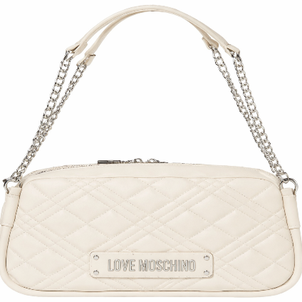 | JC4207PP0MLA0110 | BORSA QUILTED PU avorio | 1 | 230.00 € | 230.00 € | 92.00 € | 92.00 €
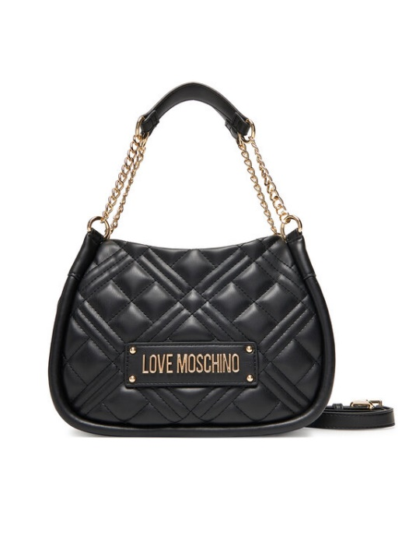 | JC4208PP0MLA0000 | BORSA QUILTED PU NERO | 10 | 240.00 € | 2,400.00 € | 96.00 € | 960.00 €
 | JC4208PP0MLA0100 | BORSA QUILTED PU BIANCO | 30 | 240.00 € | 7,200.00 € | 96.00 € | 2,880.00 €
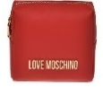
SP | JC5309PP1IKD0000 | COL. 000 NERO | 430 | 210.00 € | 90,300.00 € | 84.00 € | 36,120.00 €
SP | JC5309PP1IKD0500 | COL. 500 ROSSO | 262 | 210.00 € | 55,020.00 € | 84.00 € | 22,008.00 €
SP | JC5309PP1IKD0110 | COL. 110 AVORIO | 197 | 210.00 € | 41,370.00 € | 84.00 € | 16,548.00 €
 | JC4209PP0MLA0000 | BORSA QUILTED PU NERO | 9 | 250.00 € | 2,250.00 € | 100.00 € | 900.00 €
 | JC4209PP0MLA000B | BORSA QUILTED PU NERO GALV.NIKEL | 10 | 250.00 € | 2,500.00 € | 100.00 € | 1,000.00 €
 | JC4209PP0MLA0100 | BORSA QUILTED PU BIANCO | 12 | 250.00 € | 3,000.00 € | 100.00 € | 1,200.00 €
 | JC4209PP0MLA0615 | BORSA QUILTED PU BLOSSOM | 7 | 250.00 € | 1,750.00 € | 100.00 € | 700.00 €
 | JC4210PP0MLA000B | BORSA QUILTED PU NERO GALV.NIKEL | 6 | 155.00 € | 930.00 € | 62.00 € | 372.00 €
 | JC4210PP0MLA0100 | BORSA QUILTED PU BIANCO | 32 | 155.00 € | 4,960.00 € | 62.00 € | 1,984.00 €
 | JC4210PP0MLA0615 | BORSA QUILTED PU BLOSSOM | 14 | 155.00 € | 2,170.00 € | 62.00 € | 868.00 €
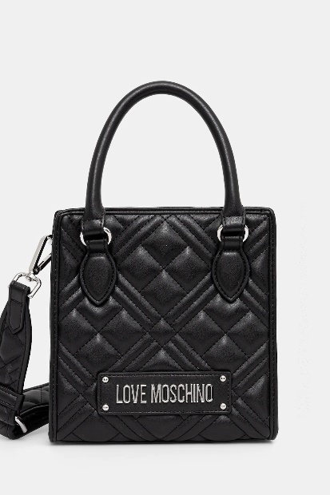 | JC4211PP0MLA0100 | BORSA QUILTED PU BIANCO | 5 | 165.00 € | 825.00 € | 66.00 € | 330.00 €
 | JC4211PP0MLA0110 | BORSA QUILTED PU AVORIO | 4 | 165.00 € | 660.00 € | 66.00 € | 264.00 €
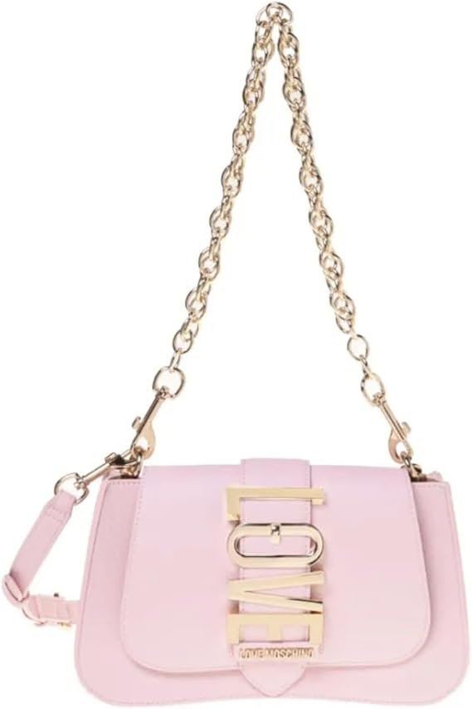 | JC4224PP0MKC0601 | BORSA PU CIPRIA | 1 | 180.00 € | 180.00 € | 72.00 € | 72.00 €
 | JC4225PP0MKC0000 | BORSA PU NERO | 4 | 190.00 € | 760.00 € | 76.00 € | 304.00 €
 | JC4225PP0MKC0110 | BORSA PU AVORIO | 31 | 190.00 € | 5,890.00 € | 76.00 € | 2,356.00 €
 | JC4225PP0MKC0201 | BORSA PU CAMMELLO | 3 | 190.00 € | 570.00 € | 76.00 € | 228.00 €
 | JC4227PP0MKC0000 | BORSA PU NERO | 29 | 210.00 € | 6,090.00 € | 84.00 € | 2,436.00 €
 | JC4227PP0MKC0110 | BORSA PU AVORIO | 32 | 210.00 € | 6,720.00 € | 84.00 € | 2,688.00 €
 | JC4227PP0MKC0201 | BORSA PU CAMMELLO | 28 | 210.00 € | 5,880.00 € | 84.00 € | 2,352.00 €
 | JC4227PP0MKC0601 | BORSA PU CIPRIA | 11 | 210.00 € | 2,310.00 € | 84.00 € | 924.00 €
 | JC4228PP0MKC0000 | BORSA PU NERO | 1 | 220.00 € | 220.00 € | 88.00 € | 88.00 €
 | JC4228PP0MKC0110 | BORSA PU AVORIO | 33 | 220.00 € | 7,260.00 € | 88.00 € | 2,904.00 €
 | JC4248PP0MLA0615 | BORSA QUILTED PU BLOSSOM | 29 | 215.00 € | 6,235.00 € | 86.00 € | 2,494.00 €
 | JC4249PP0MLA0615 | BORSA QUILTED PU BLOSSOM | 5 | 225.00 € | 1,125.00 € | 90.00 € | 450.00 €
 | JC4250PP0MKQ100A | BORSA SATIN NERO+STRASS NERO/CRISTA | 17 | 195.00 € | 3,315.00 € | 78.00 € | 1,326.00 €
 | JC4250PP0MKQ161A | BORSA SATIN BLOSSOM+STRASS BLOS/CRI | 15 | 195.00 € | 2,925.00 € | 78.00 € | 1,170.00 €
 | JC4253PP0MKT0000 | BORSA PU NERO | 7 | 185.00 € | 1,295.00 € | 74.00 € | 518.00 €
 | JC4253PP0MKT0601 | BORSA PU CIPRIA | 18 | 185.00 € | 3,330.00 € | 74.00 € | 1,332.00 €
 | JC4260PP0MKD000B | BORSA PU GRS NERO+GALV.NIKEL | 40 | 210.00 € | 8,400.00 € | 84.00 € | 3,360.00 €
 | JC4260PP0MKD0100 | BORSA PU GRS BIANCO | 21 | 210.00 € | 4,410.00 € | 84.00 € | 1,764.00 €
 | JC4260PP0MKD0450 | BORSA PU GRS ARANCIO | 12 | 210.00 € | 2,520.00 € | 84.00 € | 1,008.00 €
 | JC4260PP0MKD0601 | BORSA PU GRS CIPRIA | 2 | 210.00 € | 420.00 € | 84.00 € | 168.00 €
 | JC4260PP0MKD0615 | BORSA PU GRS BLOSSOM | 32 | 210.00 € | 6,720.00 € | 84.00 € | 2,688.00 €
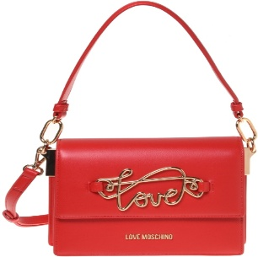 | JC4262PP0MKG0104 | BORSA PU SOUL | 5 | 215.00 € | 1,075.00 € | 86.00 € | 430.00 €
 | JC4262PP0MKG0500 | BORSA PU ROSSO | 7 | 215.00 € | 1,505.00 € | 86.00 € | 602.00 €
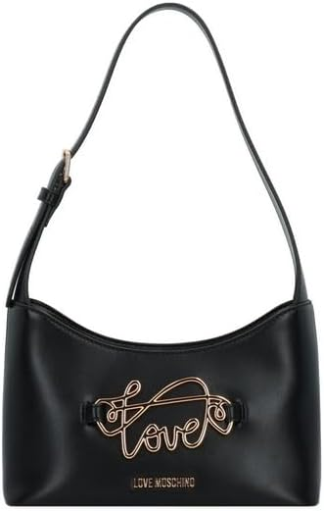 | JC4263PP0MKG0000 | BORSA PU NERO | 12 | 225.00 € | 2,700.00 € | 90.00 € | 1,080.00 €
 | JC4263PP0MKG0104 | BORSA PU SOUL | 1 | 225.00 € | 225.00 € | 90.00 € | 90.00 €
 | JC4263PP0MKG0110 | BORSA PU AVORIO | 6 | 225.00 € | 1,350.00 € | 90.00 € | 540.00 €
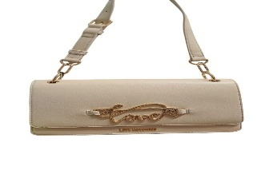 | JC4264PP0MKG0104 | BORSA PU SOUL | 11 | 210.00 € | 2,310.00 € | 84.00 € | 924.00 €
 | JC4264PP0MKG0110 | BORSA PU AVORIO | 1 | 220.00 € | 220.00 € | 88.00 € | 88.00 €
 | JC4264PP0MKG0500 | BORSA PU ROSSO | 7 | 220.00 € | 1,540.00 € | 88.00 € | 616.00 €
 | JC4266PP0MKG0000 | BORSA PU NERO | 12 | 235.00 € | 2,820.00 € | 94.00 € | 1,128.00 €
 | JC4266PP0MKG0104 | BORSA PU SOUL | 7 | 235.00 € | 1,645.00 € | 94.00 € | 658.00 €
 | JC4266PP0MKG0110 | BORSA PU AVORIO | 3 | 235.00 € | 705.00 € | 94.00 € | 282.00 €
 | JC4266PP0MKG0500 | BORSA PU ROSSO | 9 | 235.00 € | 2,115.00 € | 94.00 € | 846.00 €
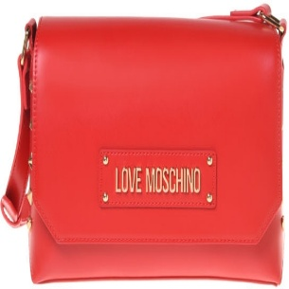 | JC4273PP0MKH0104 | BORSA PU SOUL+BORCHIE | 8 | 240.00 € | 1,920.00 € | 96.00 € | 768.00 €
 | JC4308PP0NKD000A | BOLD LOVE HAMMERED NERO | 106 | 185.00 € | 19,610.00 € | 74.00 € | 7,844.00 €
 | JC5312PP1MLN100A | NYLON + PU GRS NERO | 15 | 215.00 € | 3,225.00 € | 86.00 € | 1,290.00 €
 | JC5314PP0MKD000B | BUSTINA PU GRS NERO+GALV.NIKEL | 3 | 225.00 € | 675.00 € | 90.00 € | 270.00 €
 | JC5314PP0MKD0100 | BUSTINA PU GRS BIANCO | 10 | 225.00 € | 2,250.00 € | 90.00 € | 900.00 €
 | JC5314PP0MKD0615 | BUSTINA PU GRS BLOSSOM | 12 | 225.00 € | 2,700.00 € | 90.00 € | 1,080.00 €
 | JC4000PP0NLA0500 | BORSA QUILTED PU ROSSO | 2 | 165.00 € | 330.00 € | 66.00 € | 132.00 €
 | JC4000PP1NLA000B | BORSA QUILTED PU NERO+GAL.NIKEL | 9 | 165.00 € | 1,485.00 € | 66.00 € | 594.00 €
 | JC4000PP1NLA0601 | BORSA QUILTED PU CIPRIA | 2 | 165.00 € | 330.00 € | 66.00 € | 132.00 €
 | JC4001PP1NLA000B | BORSA QUILTED PU NERO GALV.NIKEL | 6 | 175.00 € | 1,050.00 € | 70.00 € | 420.00 €
 | JC4010PP1NLG0000 | BORSA PU NERO | 121 | 139.95 € | 16,933.95 € | 55.98 € | 6,773.58 €
 | JC4010PP1NLG0104 | BORSA PU BEIGE | 41 | 195.00 € | 7,995.00 € | 78.00 € | 3,198.00 €
 | JC4010PP1NLG500 | BORSA PU ROSSO | 68 | 195.00 € | 13,260.00 € | 78.00 € | 5,304.00 €
 | JC4010PP1NLG0301 | BORSA PU TMORO | 36 | 195.00 € | 7,020.00 € | 78.00 € | 2,808.00 €
 | JC4012PP1NLH0000 | BORSA QUILTED PU NERO | 4 | 179.95 € | 719.80 € | 71.98 € | 287.92 €
 | JC4012PP1NLH0601 | BORSA QUILTED PU CIPRIA | 6 | 197.50 € | 1,185.00 € | 79.00 € | 474.00 €
 | JC4058PP1NLO0312 | BORSA PU LISCIO CASTAGNA | 2 | 165.00 € | 330.00 € | 66.00 € | 132.00 €
 | JC4058PP1NLO0450 | BORSA PU LISCIO ARANCIO | 25 | 165.00 € | 4,125.00 € | 66.00 € | 1,650.00 €
 | JC4058PP1NLO0703 | BORSA PU LISCIO AVIO | 31 | 165.00 € | 5,115.00 € | 66.00 € | 2,046.00 €
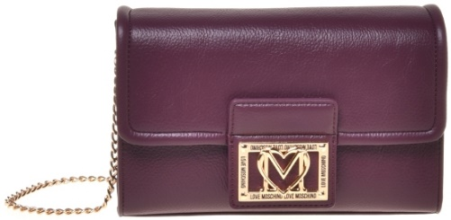 | JC4093PP1NLI0703 | BORSA GRAIN PU AVIO | 1 | 165.00 € | 165.00 € | 66.00 € | 66.00 €
 | JC4095PP1NLL0000 | BORSA PU NERO | 1 | 175.00 € | 175.00 € | 70.00 € | 70.00 €
 | JC4127PP0NKB100A | BORSA PU+VELOUR PL NERO | 56 | 185.00 € | 10,360.00 € | 74.00 € | 4,144.00 €
 | JC4127PP0NKB110A | BORSA PU+VELOUR PL SABBIA | 43 | 185.00 € | 7,955.00 € | 74.00 € | 3,182.00 €
 | JC4127PP0NKB185A | BORSA PU+VELOUR PL VERDE | 2 | 185.00 € | 370.00 € | 74.00 € | 148.00 €
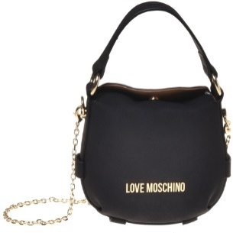 | JC4168PP1NLB0104 | BORSA PU BEIGE | 4 | 195.00 € | 780.00 € | 78.00 € | 312.00 €
 | JC4168PP1NLB0552 | BORSA PU VINO | 1 | 195.00 € | 195.00 € | 78.00 € | 78.00 €
 | JC4169PP1NLB0301 | BORSA PU TMORO | 3 | 210.00 € | 630.00 € | 84.00 € | 252.00 €
 | JC4169PP1NLB0552 | BORSA PU VINO | 2 | 210.00 € | 420.00 € | 84.00 € | 168.00 €
 | JC4316PP0NKE0000 | EMBOSSED SUEDE NERO | 159 | 190.00 € | 30,210.00 € | 76.00 € | 12,084.00 €
 | JC4368PP0NKG0500 | BORSA PU ROSSO | 15 | 145.00 € | 2,175.00 € | 58.00 € | 870.00 €
 | JC4368PP0NKG0000 | BORSA PU NERO | 89 | 145.00 € | 12,905.00 € | 58.00 € | 5,162.00 €
 | JC4379PP0NKS161A | BORSA SOFT PL+PU ROSA ANTICO | 4 | 195.00 € | 780.00 € | 78.00 € | 312.00 €
 | JC4389PP0NKL100A | KNIT NERO + NERO | 98 | 215.00 € | 21,070.00 € | 86.00 € | 8,428.00 €
 | JC4389PP0NKL110A | KNIT AVORIO + NERO | 47 | 215.00 € | 10,105.00 € | 86.00 € | 4,042.00 €
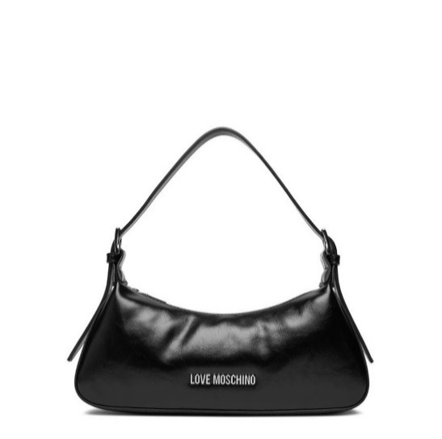 | JC4390PP0NKP000A | BORSA PU NERO GALV.NICHEL | 323 | 225.00 € | 72,675.00 € | 90.00 € | 29,070.00 €
 | JC4390PP0NKP020A | BORSA PU CUOIO GALV.NICHEL | 93 | 225.00 € | 20,925.00 € | 90.00 € | 8,370.00 €
 | JC4390PP0NKP085A | BORSA PU VERDE GALV.NICHEL | 135 | 225.00 € | 30,375.00 € | 90.00 € | 12,150.00 €
 | JC4390PP0NKP061A | BORSA PU ROSA ANTICO GALV.NICHEL | 12 | 225.00 € | 2,700.00 € | 90.00 € | 1,080.00 €
 | JC5602PP1NLI0312 | BORSETTA GRAIN PU CASTAGNA | 4 | 95.00 € | 380.00 € | 38.00 € | 152.00 €
 | JC5602PP1NLI0552 | BORSETTA GRAIN PU VINO | 11 | 95.00 € | 1,045.00 € | 38.00 € | 418.00 €
 | JC5640PP0NKE0000 | BORSETTA EMBOSSED VELOUR PL NERO | 30 | 110.00 € | 3,300.00 € | 44.00 € | 1,320.00 €
 | JC5640PP0NKE0105 | BORSETTA EMBOSSED VELOUR PL SABB | 20 | 110.00 € | 2,200.00 € | 44.00 € | 880.00 €
 | JC5640PP0NKE0611 | BORSETTA EMBOSSED VELOUR PL ROSA | 10 | 110.00 € | 1,100.00 € | 44.00 € | 440.00 €
 | JC5640PP0NKE0650 | BORSETTA EMBOSSED VELOUR PL VIOL | 14 | 110.00 € | 1,540.00 € | 44.00 € | 616.00 €
 | JC5640PP1NLC0000 | BORSETTAPU EMBOSSED NERO | 94 | 110.00 € | 10,340.00 € | 44.00 € | 4,136.00 €
 | JC5640PP1NLC0110 | BORSETTAPU EMBOSSED AVORIO | 1 | 110.00 € | 110.00 € | 44.00 € | 44.00 €
 | JC5640PP1NLC0312 | BORSETTAPU EMBOSSED CASTAGNA | 19 | 110.00 € | 2,090.00 € | 44.00 € | 836.00 €
 | JC5640PP1NLC0500 | BORSETTAPU EMBOSSED ROSSO | 12 | 110.00 € | 1,320.00 € | 44.00 € | 528.00 €
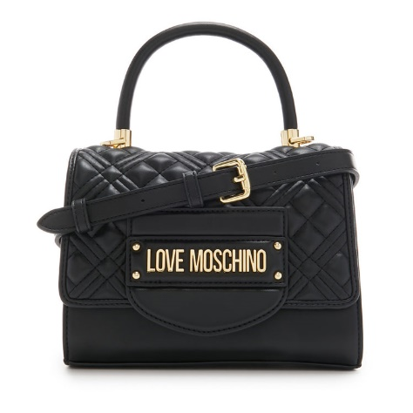 SP | JC4055PP1ILA0000 | BORSA QUILTED PU NERO GALV ORO | 150 | 175.00 € | 26,250.00 € | 70.00 € | 10,500.00 €
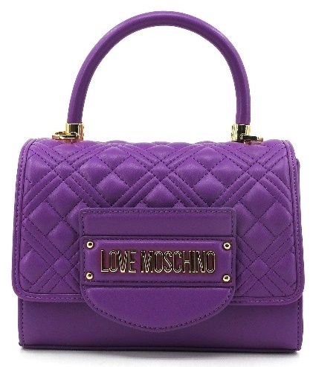 SP | JC4055PP1ILA0650 | BORSA QUILTED PU NERO GALV PURPLE | 189 | 175.00 € | 33,075.00 € | 70.00 € | 13,230.00 €
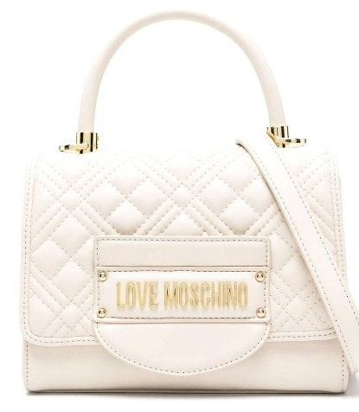 SP | JC4055PP1ILA0110 | BORSA QUILTED PU NERO GALV IVORY | 151 | 175.00 € | 26,425.00 € | 70.00 € | 10,570.00 €
 | JC5681PP0NLA000B | BORSETTA QUILTED PU NERO+G.NIKEL | 31 | 120.00 € | 3,720.00 € | 48.00 € | 1,488.00 €
 | JC5681PP1NLA0000 | BORSETTA QUILTED PU NERO G.ORO | 4 | 120.00 € | 480.00 € | 48.00 € | 192.00 €
 | JC5681PP1NLA0110 | BORSETTA QUILTED PU AVORIO | 33 | 120.00 € | 3,960.00 € | 48.00 € | 1,584.00 €
 | JC5681PP1NLA0601 | BORSETTA QUILTED PU CIPRIA | 3 | 120.00 € | 360.00 € | 48.00 € | 144.00 €
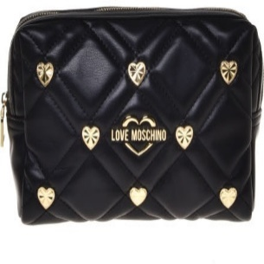 | JC5300PP1MLI0601 | PU QUILTED CIPRIA | 10 | 110.00 € | 1,100.00 € | 44.00 € | 440.00 €
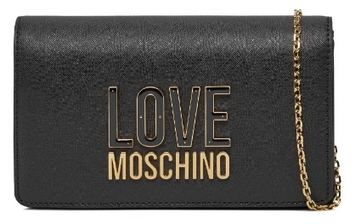 SP | JC4213PP1ILQ100A | COL. 00A NERO | 306 | 155.00 € | 47,430.00 € | 62.00 € | 18,972.00 €
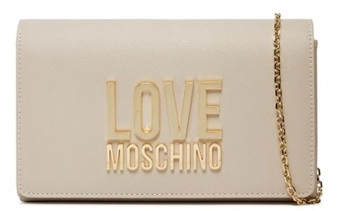 SP | JC4213PP1ILQ111A | COL. 11A AVORIO | 144 | 155.00 € | 22,320.00 € | 62.00 € | 8,928.00 €
SP | JC4213PP1ILQ160A | COL. 60A CIPRIA | 146 | 155.00 € | 22,630.00 € | 62.00 € | 9,052.00 €

